Cover
 |  | VERSION CONTROL
 |  |  | Date Posted to VirginiaHousing.com
 |  | Version# |  | Reason
 |  | 2023.1 | 2023-01-10 | New Reservation Application
2023 Federal Low Income Housing |  | 2023.2 | 2023-01-30 | For 4% only - update to credit points calculations
Tax Credit Program |  | 2023.3 | 2023-03-01 | Update to Tab A for Submission Checklist

Application For Reservation

Deadline for Submission
9% Competitive Credits
Applications Must Be Received At VHDA No Later Than 12:00 PM Richmond, VA Time On March 16, 2023
Tax Exempt Bonds
Applications should be received at VHDA at least one month before the bonds are priced (if bonds issued by VHDA), or 75 days before the bonds are issued (if bonds are not issued by VHDA)

 |  | LEGEND

 |  |  | Indicates value selected from drop down list

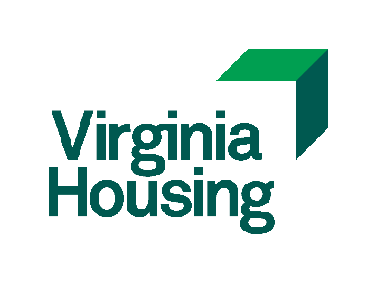

 | Virginia Housing
 | 601 South Belvidere Street
 | Richmond, Virginia 23220-6500

